Crib Sheet
Media Images
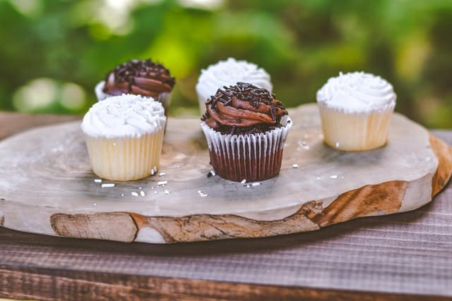
 | Mixed chocolate cupcakes


 | Easter cupcakes

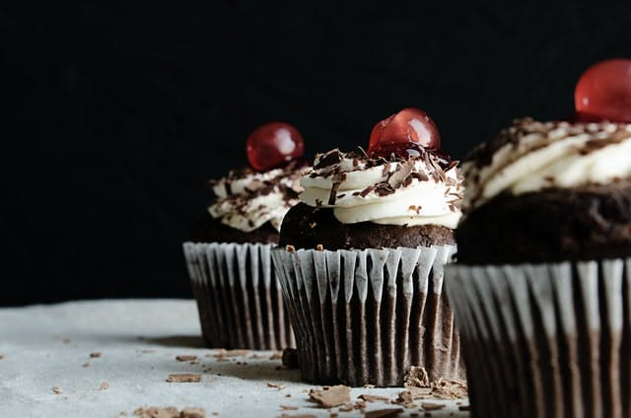
 | Black cherry cupcakes

